Gantt Chart
Task | Critical | Start | Finish | Duration | Slack Time | Duration | Milestone
Task 1 | Yes | 1 | 6 | 5 | 0 | 1
Task 2 | Yes | 6 | 11 | 5 | 0 | 6
Task 3 | Yes | 11 | 16 | 5 | 0 | 11 | 1900-01-10
Task 4 | No | 6 | 11 | 5 | 5 | 16
Task 5 | Yes | 16 | 21 | 5 | 0 | 31

 | Start Date | Duration | Slack | Milestone
Task 1 | 1 | 5 | 0
Task 2 | 6 | 5 | 0
Task 3 | 11 | 5 | 0 | 1900-01-10
Task 4 | 6 | 5 | 5
Task 5 | 16 | 5 | 0

From: http://www.brighthubpm.com/templates-forms/49745-examples-of-project-schedules/#imgn_3

Network Diagram
Task 3
Task 5
Task 2
Task 4
Task 1
Start
Finish
Network Diagram of Project Example

Project
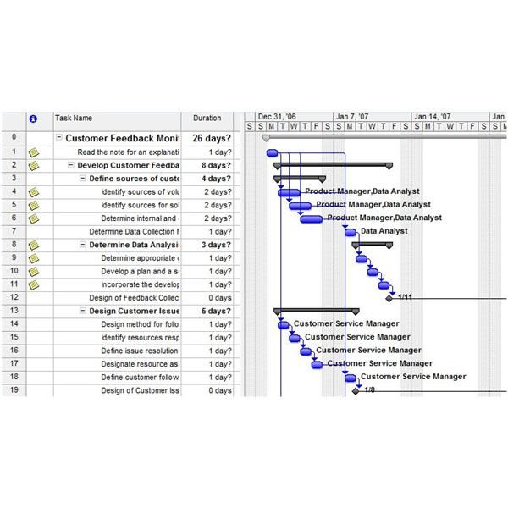

http://img.bhs4.com/b5/b/b5befd87baa918eede7f8eb155b1947eeb66fe7_600.jpg

